Conventions
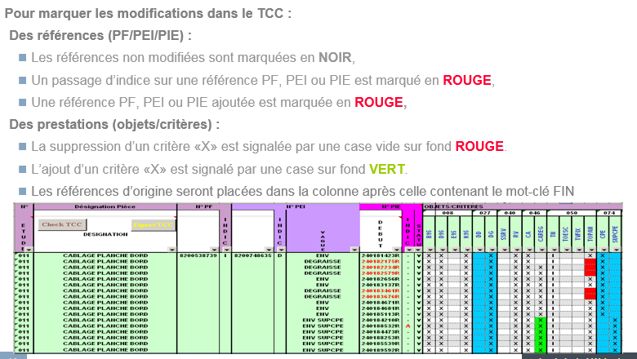
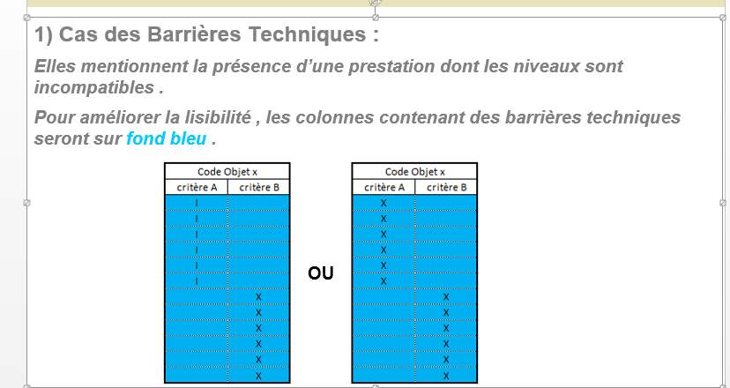
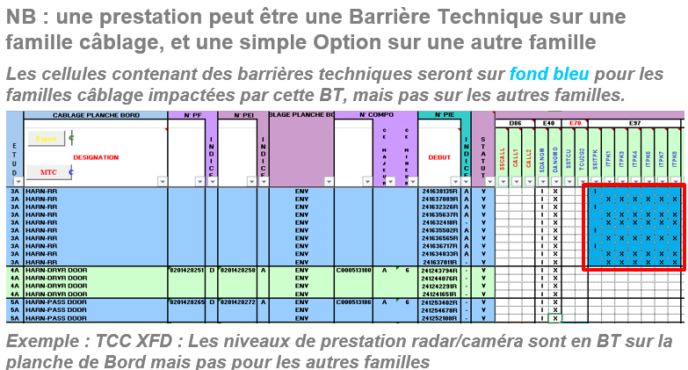
La liste de critères associés à la PIE (PI) permet de spécifier les prestations électriques attendues d’une référence. Nous utiliserons, en regard des critères et dans les cellules appropriées du TCC, le formalisme suivant :
Le caractère « X » (pour diversifiant) en regard d’un critère indique que la référence appelle les fils spécifiques à la prestation
Ces critères seront exploités pour réaliser le dégraissage de l’Etude Electrique Enveloppe, et tous les fils portant ces critères seront ramenés.
Le caractère « I » (comme Info) en regard d’un critère signifie que la prestation est assurée sans appel de fils spécifiques.
Ces critères ne seront pas exploités par le fournisseur pour réaliser le dégraissage de l’Etude Electrique Enveloppe, et aucun fil ne sera ramené.
La case vide : signifie que la prestation électrique n’est pas retenue (attention il est interdit de mettre des espaces dans les cases vides)
La case grisée : signifie que le câblage est compatible avec la prestation sans faire apparaître « I »

